Feasibility
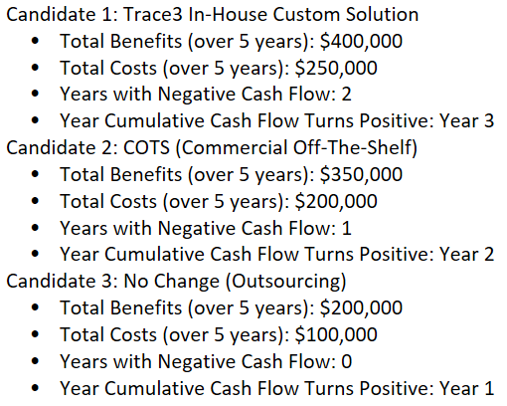
Feasibility Criteria | Description | Weight | Candidate 1 Trace3 in-house development Custom solution | Candidate 2 COTS | Candidate 3 No change
Operational Feasibility
Functionality | A description of to what degree the candidate would benefit the organization and how well the system would work. | 25% | High customization to meet organization's needs. SCORE = 95 | Established solution with proven track record. SCORE = 80 | Outsourcing allows focus on core business. SCORE = 65
Political | A description of how well received this solution would be from the business owner, business employees, and the entire organizations perspective. |  | Likely well-received due to high customization potential. SCORE = 90 | Well-received due to proven track record. SCORE = 85 | Likely well-received due to outsourcing benefits. SCORE = 75
Technical Feasibility
Technology | An assessment of the maturity, availability (or ability to acquire), and desirability of the computer technology needed to support this candidate. | 35% | All necessary technology needs to be developed / checked if already available. SCORE = 75 | Technology is already available. SCORE = 100 | Technology needs to be developed from scratch in this scenario. SCORE = 60
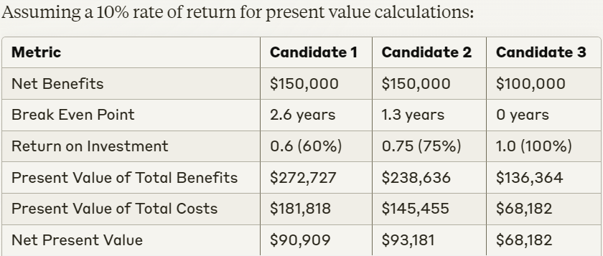
Expertise | An assessment of the technical expertise needed to develop, operate, and maintain the candidate system. |  | Requires expertise in development. SCORE = 60 | Level of expertise requirement is lower as compared to other candidates. SCORE = 90 | Requires expertise in implementation. SCORE = 70
Economic Feasibility
Cost to develop (Or Buy) |  | 20% | Depends on in-house development costs. $100,000 (estimate for internal development costs) SCORE = 90 | Licensing costs. $50,000 (estimate for licensing and setup) SCORE = 90 | NA
Payback period (discounted) |  |  | 2 years | 1.5 years | NA
Net present value |  |  | $250,000 assuming a 10% discount rate over 5 years | $180,000 assuming a 10% discount rate over 5 years | NA
Schedule Feasibility
Schedule | An assessment of how long the solution will take to design and implement. | 20% | ~ 2 months | < 1 month | NA
Ranking | Based on scores of all feasibility criterion | 100% | 74.25 | 71.25 | 60

Rationale for Weights: We rank the elements of feasibility in the following order, and list their associated weights and justifications: 1. Economic Feasibility | Weight: 20% : This category is weighted based on the kind of devices and data processing tools which will be required for the project. 2. Operational Feasibility | Weight: 25% : This category is second on the list of importance the degree to which the candidate would benefit the organization as well as the degree to which the candidate will be accepted by the organization, based on the requirements & the intricacies of the business problem. 3. Technical Feasibility | Weight: 35% : technical feasibility will have significant influence over the system proposal since the system architecture needs to be mature enough to be well understood, used, and modified for future needs by Trace3 employees. 4. Schedule Feasibility | Weight: 20% : The timeline for the project has been decided well in advance, resulting in the appropriate weight for this type of feasibility.

